Overview
Overview
The data are provided in a flat file format for all states by year (2000 to 2020) and by well size class. The Filter tool in Excel is one of the fastest methods for viewing a subset of the data in a table. For example, in Figure 1, the filters are set to select only AK (that is, Alaska) and the year 2020. In Figure 2, the filters are set to select Alaska totals for all years and to sort chronologically. | Figure 1.
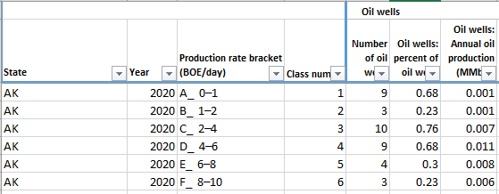
The "PivotTable" sheet provides a second means to query the data by one or more states at a time or for the whole United States. The "Chart_of_pivot" sheet generates charts of the data selected in the PivotTable sheet. By default, the subtotal rows are unselected in the PivotTable. In addition, the pivot table will not correctly sum percentages and rates when more than one state is selected.

Notes:
Source: State and federal administrative oil & gas data thru Enverus
1. The total volumes shown in the distribution tables may not exactly agree with other related data, including other EIA sources. Major reasons for differences include the timing of updates from state and commercial sources, the summed production of available well-level production data versus state-level aggregations of production, and how a well is defined and which entities are counted and summed.
2. Wells counted for this report include sidetracks, completions, recompletions, and leases. This definition includes all oil and natural gas producing entities available in the Enverus database.
3. For late reporting states, the last year of available data is repeated for missing years For example, Kentucky 2019 data are used for 2020. Maryland 2016 data are used for 2017 through 2020. Missouri 2019 data are used for 2020. Tennessee 2016 data are used for 2017 through 2020. All years are missing for Illinois and Indiana. Tennessee 2016 data are used for 2017 through 2020. All years are missing for Illinois and Indiana.
4. To be consistent between states, a gas-to-oil ratio of 6,000 cubic feet per barrel for each year’s production was used to define oil versus natural gas wells. If the gas-to-oil ration was less (greater) than 6,000 cubic feet per barrel, the well was classed an oil (gas) wellassed an oil (gas) well | Figure 2.
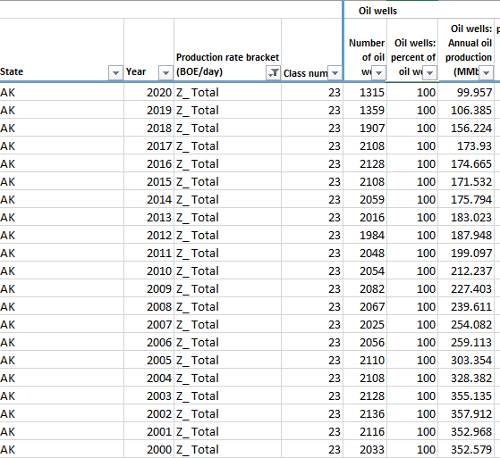
5. To determine production rate brackets for the first and last year of a well’s life, we divided the annual production by the number of days in the productive months. For the middle years, we divided the annual production by 365 or 366 days.
6. Natural gas volumes have been converted from the various state pressure bases to the federal base (14.73 pounds per square inch absolute).

Definitions:
BOE/d: Barrels of oil equivalent (used internationally) per day
MMbbl: One million barrels of oil per day
b/d: barrel(s) per day.
bcf: billion cubic feet

Data available as of September 2021.

Chart_of_pivot
US: Sum of Total number of wells

 | 2000 | 2001 | 2002 | 2003 | 2004 | 2005 | 2006 | 2007 | 2008 | 2009 | 2010 | 2011 | 2012 | 2013 | 2014 | 2015 | 2016 | 2017 | 2018 | 2019 | 2020
A_ 0–1 | 228,058 | 237,563 | 237,537 | 239,600 | 246,583 | 252,893 | 260,296 | 259,155 | 279,754 | 285,557 | 297,137 | 307,153 | 316,921 | 326,189 | 338,695 | 345,481 | 351,818 | 345,329 | 347,766 | 344,779 | 332,453
B_ 1–2 | 86,667 | 90,158 | 91,176 | 92,394 | 94,310 | 97,443 | 101,061 | 102,932 | 111,696 | 112,221 | 116,244 | 119,283 | 121,926 | 123,409 | 121,782 | 119,927 | 112,877 | 111,943 | 110,192 | 110,324 | 103,692
C_ 2–4 | 94,496 | 98,177 | 99,147 | 100,968 | 103,127 | 106,958 | 112,271 | 115,380 | 123,327 | 125,312 | 126,260 | 129,774 | 131,598 | 132,019 | 129,835 | 128,419 | 120,971 | 120,056 | 117,899 | 116,494 | 107,861
D_ 4–6 | 55,253 | 57,366 | 58,633 | 59,791 | 62,257 | 65,557 | 69,283 | 71,923 | 76,156 | 76,476 | 77,260 | 78,410 | 78,644 | 78,655 | 78,146 | 76,149 | 73,271 | 72,059 | 69,590 | 68,261 | 63,211
E_ 6–8 | 38,081 | 39,822 | 40,501 | 42,223 | 43,718 | 45,471 | 48,542 | 50,990 | 53,483 | 53,587 | 53,529 | 53,330 | 53,241 | 53,048 | 52,328 | 51,796 | 49,131 | 47,829 | 46,454 | 45,320 | 42,814
F_ 8–10 | 29,355 | 29,594 | 30,753 | 32,107 | 32,923 | 34,707 | 36,135 | 37,826 | 38,502 | 38,526 | 38,511 | 38,869 | 38,103 | 37,989 | 37,942 | 37,018 | 35,454 | 34,049 | 33,411 | 32,418 | 31,309
H_ 10–12 | 22,612 | 23,214 | 24,252 | 24,984 | 25,802 | 27,034 | 28,141 | 28,627 | 29,570 | 29,005 | 29,079 | 29,100 | 29,537 | 29,172 | 28,711 | 28,250 | 26,914 | 26,865 | 25,820 | 25,248 | 24,048
I_ 12–15 | 26,016 | 27,824 | 27,695 | 28,711 | 29,811 | 30,661 | 31,795 | 32,008 | 32,811 | 32,576 | 32,717 | 32,633 | 32,839 | 32,470 | 32,163 | 32,350 | 30,847 | 29,804 | 29,420 | 28,627 | 27,688
K_ 15–20 | 31,790 | 32,398 | 32,807 | 33,420 | 34,012 | 34,482 | 35,148 | 35,552 | 36,779 | 36,352 | 36,712 | 37,198 | 37,320 | 37,202 | 37,042 | 36,629 | 35,096 | 34,201 | 33,811 | 32,478 | 32,528
L_ 20–25 | 21,449 | 21,942 | 22,023 | 22,117 | 22,397 | 22,513 | 23,040 | 23,255 | 24,396 | 24,182 | 24,483 | 24,956 | 25,103 | 24,606 | 24,965 | 24,456 | 23,411 | 22,990 | 22,477 | 22,132 | 22,253
M_ 25–30 | 15,189 | 15,219 | 15,477 | 15,391 | 15,632 | 15,773 | 16,318 | 16,415 | 17,294 | 17,126 | 17,545 | 17,699 | 17,824 | 17,561 | 17,948 | 17,438 | 16,824 | 16,652 | 16,591 | 16,675 | 16,902
N_ 30–40 | 19,969 | 20,083 | 19,894 | 20,216 | 20,428 | 20,790 | 21,196 | 21,881 | 22,928 | 23,088 | 23,124 | 23,309 | 23,527 | 23,564 | 23,862 | 23,353 | 23,051 | 23,247 | 23,598 | 23,104 | 23,427
O_ 40–50 | 11,995 | 12,135 | 12,147 | 12,336 | 12,462 | 12,680 | 13,055 | 13,574 | 14,379 | 14,178 | 14,518 | 14,484 | 14,662 | 14,900 | 15,815 | 15,760 | 15,770 | 16,055 | 16,021 | 15,597 | 15,563
P_ 50–100 | 23,861 | 24,683 | 24,121 | 24,620 | 25,048 | 25,607 | 27,012 | 28,705 | 30,944 | 30,324 | 30,493 | 31,034 | 32,493 | 34,585 | 37,818 | 39,313 | 39,441 | 38,838 | 36,710 | 35,088 | 35,583
R_ 100–200 | 11,628 | 12,049 | 11,731 | 12,175 | 12,968 | 13,724 | 14,744 | 16,204 | 17,992 | 16,765 | 16,800 | 17,692 | 19,964 | 22,647 | 25,281 | 24,942 | 22,255 | 20,067 | 19,815 | 20,970 | 22,903
S_ 200–400 | 6,104 | 6,387 | 6,305 | 6,489 | 6,592 | 6,683 | 6,845 | 7,346 | 8,137 | 7,376 | 8,122 | 9,873 | 12,502 | 14,488 | 15,649 | 14,686 | 12,305 | 12,481 | 14,387 | 15,978 | 16,698
T_ 400–800 | 3,764 | 3,675 | 3,228 | 3,132 | 3,050 | 2,817 | 2,654 | 2,914 | 2,998 | 2,887 | 3,696 | 4,975 | 6,029 | 6,769 | 8,358 | 8,182 | 7,408 | 8,373 | 10,557 | 12,341 | 10,716
U_ 800–1,600 | 1,899 | 1,719 | 1,498 | 1,456 | 1,331 | 1,139 | 1,056 | 1,084 | 1,045 | 1,095 | 1,617 | 2,057 | 1,932 | 1,981 | 2,504 | 2,937 | 2,807 | 3,775 | 5,238 | 6,136 | 4,753
V_ 1,600–3,200 | 685 | 595 | 554 | 548 | 472 | 396 | 412 | 393 | 363 | 391 | 391 | 370 | 346 | 409 | 503 | 539 | 683 | 1,224 | 1,658 | 1,954 | 1,820
W_ 3,200–6,400 | 237 | 237 | 214 | 208 | 208 | 182 | 185 | 172 | 147 | 137 | 148 | 128 | 127 | 123 | 139 | 128 | 135 | 209 | 308 | 531 | 585
X_ 6,400–12,800 | 72 | 90 | 106 | 110 | 111 | 83 | 87 | 98 | 75 | 84 | 66 | 61 | 60 | 70 | 79 | 91 | 94 | 105 | 117 | 161 | 147
Y_ > 12,800 | 34 | 44 | 40 | 33 | 26 | 27 | 19 | 12 | 18 | 39 | 42 | 22 | 18 | 15 | 23 | 29 | 28 | 29 | 25 | 25 | 30

